Q-1
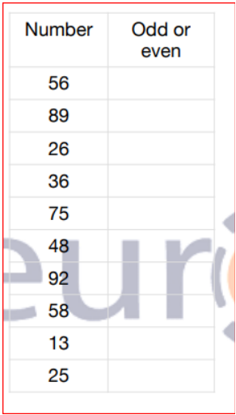
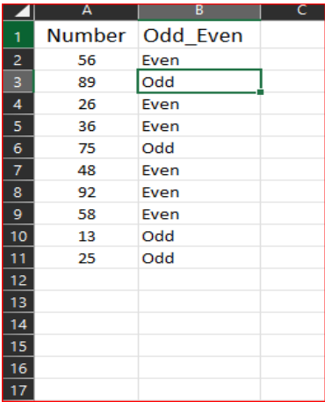
Q-1 Write a VBA code to select the cells from A5 to C10. Give it a name “Data Analytics” and fill the cells with the following cells “This is Excel VBA”

Q-2
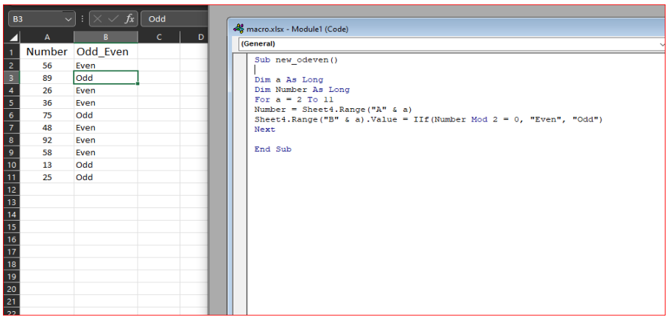
Q-2 Use the above data and write a VBA code using the following statements to display in the next column if the number is odd or even (a) IF ELSE statement (b) Select Case statement (c)For Next Statement

Q-5
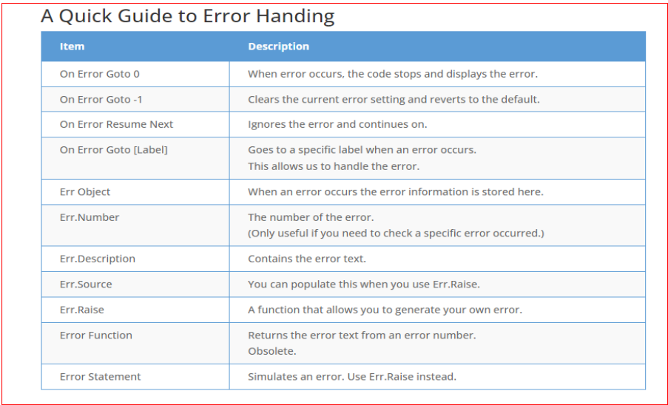
Q-5 Write some good practices to be followed by VBA users for handling errors

∆ Use 'On Error Go [Label]' at the beginning of the code. …

∆ Use 'On Error Resume Next' ONLY when you're sure about the errors that can occur.

∆ When using error handlers, make sure you're using Exit Sub before the handlers. Use multiple error handlers to trap different kinds of errors.

Q-6
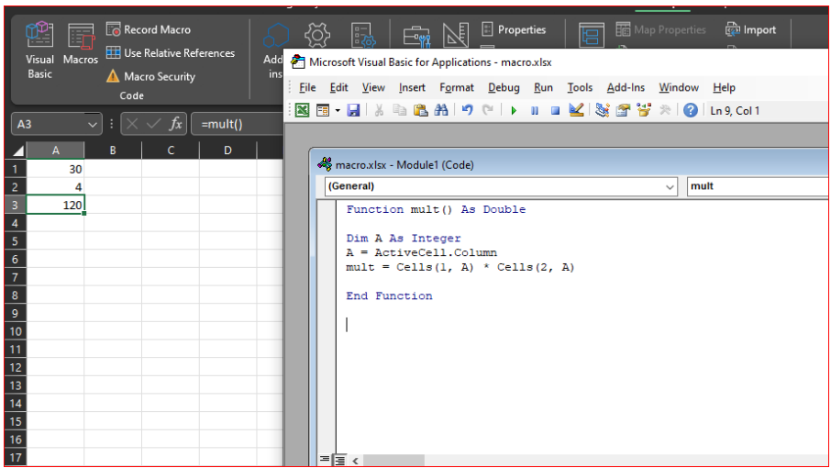
Q-6 What is UDF? Why are UDF’s used? Create a UDF to multiply 2 numbers in VBA
∆ We can create our functions using VBA coding, which is technically called “User-Defined Functions” (UDF). They are also called “custom functions” in Excel VBA. Any formula we can access from
the worksheet with a piece of code is called UDF.

